Sheet1
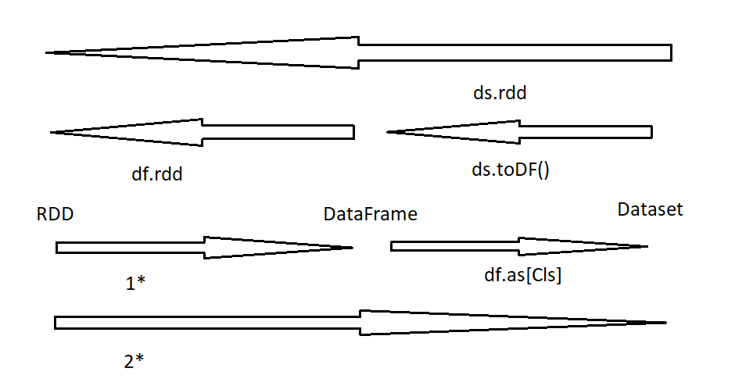

 | tuple x Dataframe (1*) | case class x Dataframe (1*) | case class x Dataset (2*)
L | val coll = Seq((1, Array(1,2,3)),(2, Array(2,3,4))) coll.toDF spark.createDataFrame(coll) | case class Cls( id: Int, arr: Array[Int]) val cls = Seq(Cls(1, Array(1,2,3)),Cls(2, Array(2,3,4))) cls.toDF spark.createDataFrame(cls) | case class Cls( id: Int, arr: Array[Int]) val cls = Seq(Cls(1, Array(1,2,3)),Cls(2, Array(2,3,4))) cls.toDS spark.createDataset(cls)

D | val coll = Seq((1, Array(1,2,3)),(2, Array(2,3,4))) val rdd = sc.parallelize(coll) rdd.toDF spark.createDataFrame(rdd) | case class Cls( id: Int, arr: Array[Int]) val cls = Seq(Cls(1, Array(1,2,3)),Cls(2, Array(2,3,4))) val rdd = sc.parallelize(cls) rdd.toDF spark.createDataFrame(rdd) | case class Cls( id: Int, arr: Array[Int]) val cls = Seq(Cls(1, Array(1,2,3)),Cls(2, Array(2,3,4))) val rdd = sc.parallelize(cls) rdd.toDS spark.createDataset(rdd)

D | val coll = Seq((1, Array(1,2,3)),(2, Array(2,3,4))) val rdd = sc.parallelize(coll) val row = rdd.map( x => Row(x._1, x._2) ) ------ val coll = Seq(Row(1, Array(1,2,3)),Row(2, Array(2,3,4))) val row = sc.parallelize(coll) spark.createDataFrame(row,schema)

